Question 2
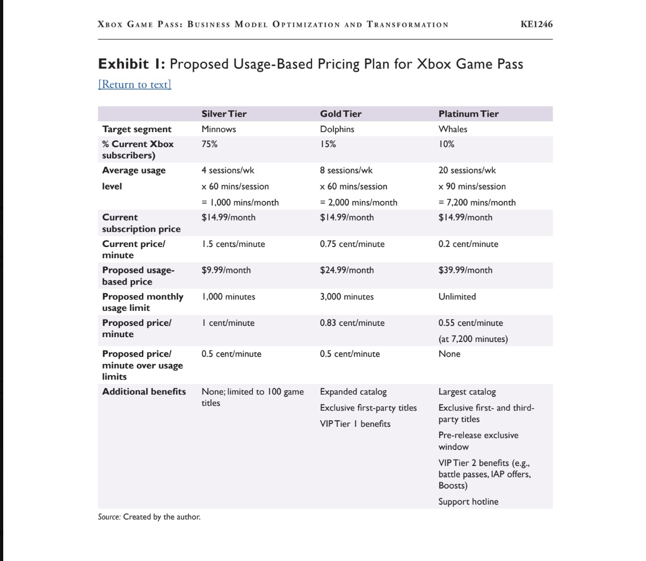

Q2. Based on the revenues and retention rates of the gamer categories of Whales, Dolphins, and Minnows projected in the case, calculate the incremental gains that Microsoft could expect by adopting the proposed usage-based pricing plan. What are your insights and recommendations based on your revenue modeling? How can Microsoft mitigate the risks of moving to the usage-based model?

 | The case divides current subscribers as:
 |  | Segment | Percentage | Current Subscribers
 |  | Minnows | 75% | 18.75 million
 |  | Dolphins | 15% | 3.75 million
 |  | Whales | 10% | 2.50 million

 |  | Total | 100% | 25 million

 | The proposed prices are:
 | Minnows/Silver: $9.99
 | Dolphins/Gold: $24.99
 | Whales/Platinum: $39.99
 | The case assumes:
 | Minnows grow 25%
 | Dolphins grow 10%
 | 10% of current Whales leave or downgrade to Gold
 | Therefore, 90% of Whales remain Platinum.

 | 1. New Subscriber numbers
 |  |  |  |  | Minnows: | 18.75M * 1.25= | 23.4375M
 |  |  |  |  | (calculations) | 23.4375
 | New Subscriber numbers | Calculations Written out | Result
 | Minnows | 18.75M * 1.25= | 23.4375 |  | Dolphins: | 3.75M * 1.10= | 4.125M
 | Dolphins | 3.75M * 1.10= | 4.125 |  | (calculations) | 4.125
 |  | Then 10% of Whales move to Gold: |  |  |  | Then 10% of Whales move to Gold:
 |  | 2.5M * 10%= | 0.25M |  |  | 2.5M * 10%= | 0.25M | (Number who downgrade, not who remain whales)
 |  | 4.125M + 0.25M = 4.375M Dolphins |  |  |  | 0.25
 | Whales | 2.5M * 10%= | 0.25 |  |  | 4.125M + 0.25M = 4.375M Dolphins
 |  |  |  |  | Whales Remaining: | 2.5M * 10%= | 0.25M
 |  |  |  |  | (calculations) | 0.25

 | 2. Monthly Revenue

 | Monthly Revenue | Calculations Written out | Result |  | Minnows: | 23.4375M * $9.99 | $234.14M
 | Minnows | 23.4375M * $9.99 | 234.140625 |  | (calculations) | 234.140625
 | Dolphins | 4.375M * $24.99 | 109.33125
 | Whales | 2.25M * $39.99 | 89.9775 |  | Dolphins: | 4.375M * $24.99 | $109.33M
 |  |  |  |  | (calculations) | 109.33125
 | Total | $234.14M + $109.33M + $89.98M | 433.45
 |  |  |  |  | Whales | 2.25M * $39.99 | $89.98M
 |  |  |  |  | (calculations) | 89.9775

 |  |  |  |  | Total | $234.14M + $109.33M + $89.98M | $433.45M/month
 | Current Model: | 25M * $14.99 = | $374.75M/month |  |  | 433.45
 | (calculations) | 374.75

 | Incremental Monthly Revenue: | $433.45M - $374.75 | $58.70M
 |  | 58.70

 | Annualized: | $58.70M * 12 = | Approximately $704.4M additional annual revenue
 |  | 704.4

 | Insights:
 |  | This is huge.
 |  | This looks attractive financially, but there is a major risk.

 |  | The model makes model by charging the heavy users more:
 |  |  | Current Whale Price = $14.99
 |  |  | Proposed Platinum = $39.99
 |  | This is a substantial increase.

 |  | The case specifically warns that Whales might reject the new model because they're accustomed to unlimited access for a fixed monthly price.

